Sheet1
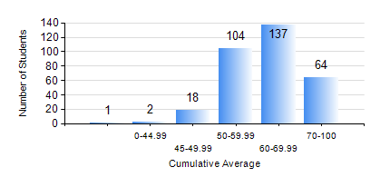
 |  |  | KWAME NKRUMAH UNIVERSITY OF SCIENCE AND TECHNOLOGY, KUMASI Department of Civil Engineering

 |  |  | BSC. CIVIL ENG.

 |  |  | COMPREHENSIVE RECORD OF EXAMINATION RESULTS

 |  |  | RESULTS OF YEAR 2 SECOND SEMESTER, 2021/2022 ACADEMIC YEAR

 | Sn | Course Code |  | Course Name | Credit Hours | Min. Mark | Max. Mark | Avg. Mark | Std. Dev. | No. Passed | No. Trailed | No. (Df) | No. (I) | No. (I*) | No. Tagged(I,I*,Df) | Total
 | 0. |  |  |  |  |  |  | 0 | 0 | 0 | 0 | 0 | 0 | 0 | 0 | 10
 | 1. | CE 256 |  | FLUID MECHANICS | 3 | 0 | 87 | 52 | 15.51 | 264 | 52 | 0 | 0 | 0 | 0 | 316
 | 2. | CE 260 |  | SOIL AND ROCK MECHANICS | 3 | 6 | 97 | 62 | 15.84 | 296 | 19 | 0 | 1 | 0 | 1 | 316
 | 3. | CE 264 |  | INTRODUCTION TO ENVIRONMENTAL ENGINEERING | 2 | 0 | 86 | 60 | 10.69 | 312 | 4 | 0 | 0 | 0 | 0 | 316
 | 4. | ENGL 264 |  | LITERATURE IN ENGLISH | 1 | 18 | 83 | 61 | 8.88 | 312 | 3 | 0 | 0 | 0 | 0 | 315
 | 5. | GE 282 |  | LARGE SCALE SURVEYING | 4 | 0 | 89 | 57 | 14.17 | 308 | 8 | 0 | 0 | 0 | 0 | 316
 | 6. | MATHS 252 |  | CALCULUS WITH SEVERAL VARIABLES | 4 | 0 | 89 | 62 | 11.74 | 310 | 6 | 0 | 0 | 0 | 0 | 316

